Sheet1
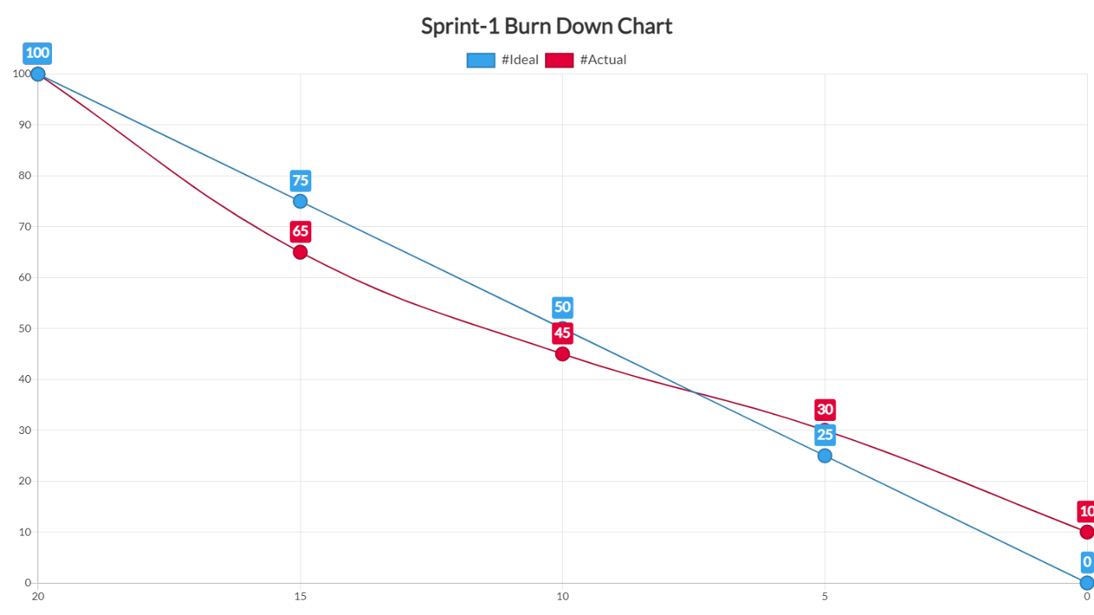
Sprint-1 | To-Do-List of Tasks | Status | completion % | duration for each task | actual duration
Total time = 20 days | Create Registeration Form UI | done | 100% | 2 days | 2 days
 | Create Database to store users data | in progress | 70% | 5 days | 6 days
 | Intergate APIs of Facebook, Gmail for Quick login | in progress | 50% | 4 days | 7 days
 | Add location tracking feature for users location | in progress | 20% | 4 days | 8 days
 | Create database for Restaurants and Stores | in progress | 25% | 5 days | 10 days

